15 Largest Upcoming Data Center
 | Top 15 New Upcoming Data Centers in the US (March 2026) Ranked based on investment
 | Source: https://www.blackridgeresearch.com/blog/upcoming-largest-data-center-projects-in-united-states-usa
No. | Project Name | Developer | Location (US) | Investment (USD) | IT Capacity | Stage
1 | OpenAI’s Stargate Data Center | Open AI & Oracle | Abilene, Texas | 100 billion | 4.5 GW | Announced
2 | Vantage Frontier (Texas) | Vantage Data Centers | Shackelford County, Texas | 25 billion | 1.4 GW | Announced
3 | Amazon – Pennsylvania AI Innovation Campuses | AWS | Salem & Falls Twps, PA | 20 billion | Not Announced | Announced / Permitting
4 | MACROHARD | xAI (Elon Musk) | Southaven, Mississippi | USD 20 billion | N/A | Announced
5 | Lighthouse Campus | Vantage Data Centers (for Oracle/OpenAI Stargate) | Port Washington, Wisconsin | USD 15 billion | 902 MW | Broke ground
6 | Amazon – NC Campuses | AWS | Multiple NC counties | 10 billion | Not Announced | Announced
7 | South Dallas One | GridFree AI | South Dallas, Texas | N/A | ~5 GW (3-site combined) | Announced / First site unveiled
8 | Meta – Monroe (Louisiana) | Meta Platforms | Richland Parish, LA | 10 billion | Not Announced | Underconstruction
9 | Compass – Meridian Campus (MS) | Compass Datacenters | Lauderdale County, MS | 10 billion | 320 MW | Under Construction (phased)
10 | Meta Indiana Campus | Meta | Lebanon, Indiana | USD 10 billion | 1 GW | Broke ground
11 | Cologix – Johnstown | Cologix | Johnstown, Ohio | 7 billion (estimated) | 800 MW (planned) | Planned
12 | AVAIO Digital Campus | AVAIO Digital Partners | Little Rock, Arkansas | USD 6 billion (initial phase) | Up to 1 GW (full build-out) | Announced, multi-phase
13 | Microsoft – Mount Pleasant (WI) | Microsoft | Racine County, WI | 3.3 billion | Not Announced | Site prep / Under Construction
14 | Amazon-AWS Sunbury Campus | Amazon | Sunbury, Central Ohio | 2 billion | Not Announced | Planning
15 | Google – Lincoln | Google | Lincoln | 600 million | Not Announced | Under Construction

 | Energy and AI Observatory

 | https://www.iea.org/data-and-statistics/data-tools/energy-and-ai-observatory?tab=Energy+for+AI
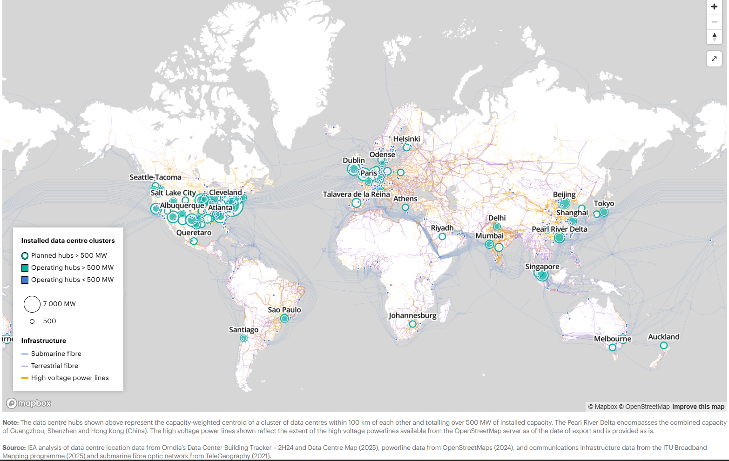

 | 2026 Energy Crisis Policy Response Tracker
 | https://www.iea.org/data-and-statistics/data-tools/2026-energy-crisis-policy-response-tracker

